Sheet1
0.064302 | (mineral water, spaghetti)
0.060976 | (mineral water, chocolate)
0.057650 | (milk, mineral water)
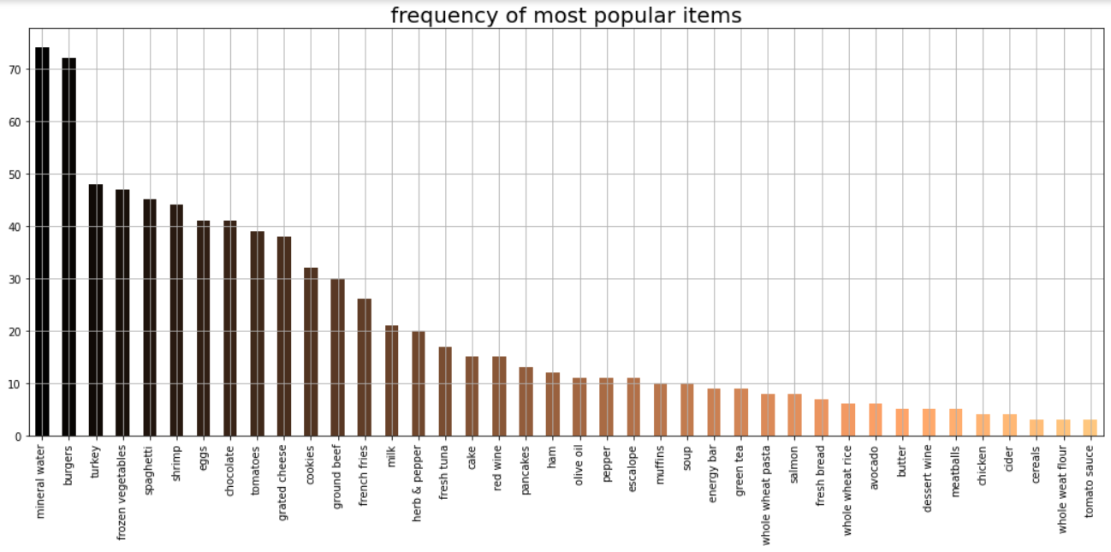
0.056541 | (mineral water, eggs)
0.047672 | (eggs, french fries)
0.044346 | (milk, spaghetti)
0.042129 | (chocolate, eggs)
0.042129 | (spaghetti, eggs)
0.041020 | (frozen vegetables, mineral water)
0.039911 | (spaghetti, chocolate)
0.035477 | (milk, chocolate)
0.035477 | (spaghetti, french fries)
0.035477 | (ground beef, spaghetti)
0.034368 | (mineral water, pancakes)
0.033259 | (mineral water, tomatoes)
0.033259 | (chocolate, french fries)
0.032151 | (ground beef, mineral water)
0.032151 | (milk, french fries)
0.031042 | (shrimp, mineral water)
0.031042 | (mineral water, french fries)
0.031042 | (shrimp, spaghetti)

